Picture
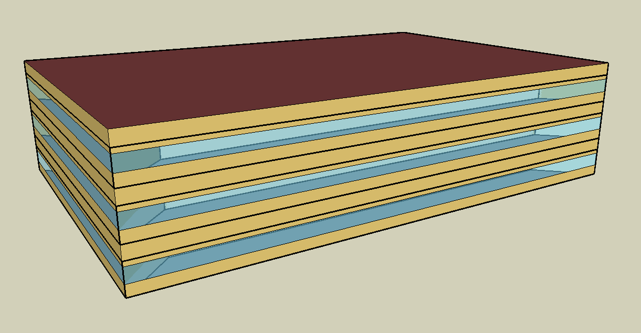
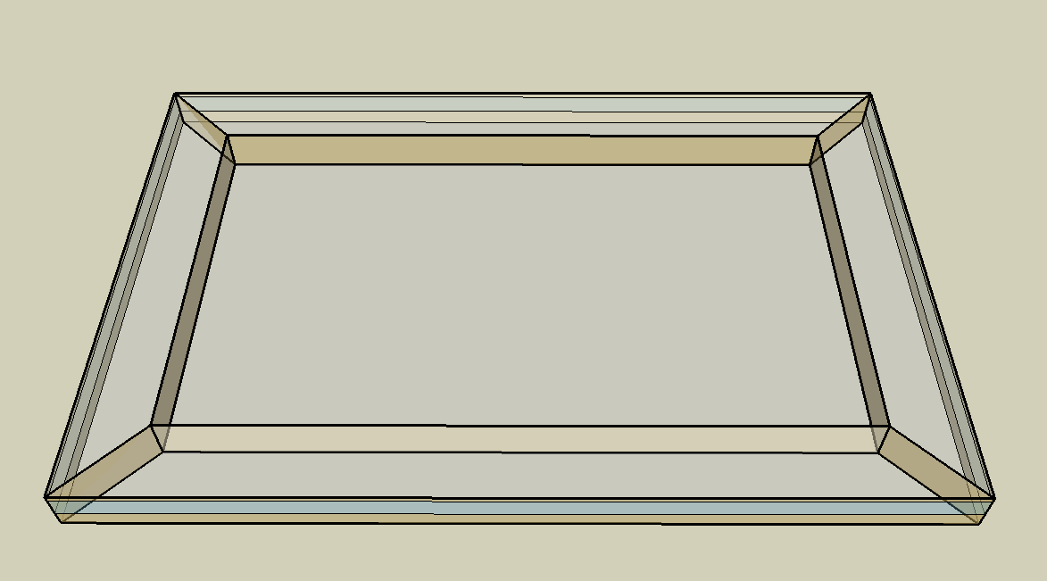
DOE Commercial Building Benchmark - Medium Office

Electricity
 | Cooling | Interior Lighting | Exterior Lighting | Interior Equipment | Fans | Pumps
Miami | 197,813.89 | 153,491.67 | 7,775.00 | 223,900.00 | 20,294.44 | 80.56
Houston | 158,913.89 | 153,491.67 | 7,772.22 | 223,900.00 | 19,311.11 | 158.33
Phoenix | 145,736.11 | 153,491.67 | 7,772.22 | 223,900.00 | 23,547.22 | 138.89
Atlanta | 103,005.56 | 153,491.67 | 7,769.44 | 223,900.00 | 17,452.78 | 200.00
Los Angeles | 66,119.44 | 153,491.67 | 7,763.89 | 223,900.00 | 14,666.67 | 105.56
Las Vegas | 95,780.56 | 153,491.67 | 7,763.89 | 223,900.00 | 20,725.00 | 147.22
San Francisco | 35,697.22 | 153,491.67 | 7,766.67 | 223,900.00 | 17,591.67 | 208.33
Baltimore | 90,669.44 | 153,491.67 | 7,761.11 | 223,900.00 | 18,536.11 | 280.56
Albuquerque | 60,047.22 | 153,491.67 | 7,763.89 | 223,900.00 | 20,966.67 | 216.67
Seattle | 28,147.22 | 153,491.67 | 7,750.00 | 223,900.00 | 17,583.33 | 275.00
Chicago | 59,113.89 | 153,491.67 | 7,763.89 | 223,900.00 | 18,588.89 | 352.78
Boulder | 40,819.44 | 153,491.67 | 7,758.33 | 223,900.00 | 19,311.11 | 294.44
Minneapolis | 51,722.22 | 153,491.67 | 7,758.33 | 223,900.00 | 19,583.33 | 488.89
Helena | 28,425.00 | 153,491.67 | 7,755.56 | 223,900.00 | 19,002.78 | 433.33
Duluth | 26,102.78 | 153,491.67 | 7,752.78 | 223,900.00 | 20,283.33 | 552.78
Fairbanks | 20,711.11 | 153,491.67 | 7,705.56 | 223,900.00 | 26,736.11 | 800.00

Gas
 | Heating | Water Systems
Miami | 30,220.00 | 27,740.00
Houston | 303,140.00 | 31,670.00
Phoenix | 259,780.00 | 29,400.00
Atlanta | 440,700.00 | 35,470.00
Los Angeles | 139,990.00 | 34,740.00
Las Vegas | 276,750.00 | 32,130.00
San Francisco | 535,550.00 | 37,990.00
Baltimore | 736,210.00 | 38,460.00
Albuquerque | 453,080.00 | 37,890.00
Seattle | 782,470.00 | 40,020.00
Chicago | 985,500.00 | 41,080.00
Boulder | 673,760.00 | 40,940.00
Minneapolis | 1,364,240.00 | 43,340.00
Helena | 1,086,030.00 | 43,750.00
Duluth | 1,596,960.00 | 47,080.00
Fairbanks | 2,731,090.00 | 51,600.00

EUI
 | Cooling (elec) | Interior Lighting (elec) | Exterior Lighting (elec) | Interior Equipment (elec) | Fans (elec) | Pumps (elec) | Heating (gas) | Water Systems (gas)
Miami | 142.94 | 110.91 | 5.62 | 161.78 | 14.66 | 0.06 | 6.07 | 5.57
Houston | 114.83 | 110.91 | 5.62 | 161.78 | 13.95 | 0.11 | 60.84 | 6.36
Phoenix | 105.31 | 110.91 | 5.62 | 161.78 | 17.01 | 0.10 | 52.14 | 5.90
Atlanta | 74.43 | 110.91 | 5.61 | 161.78 | 12.61 | 0.14 | 88.46 | 7.12
Los Angeles | 47.78 | 110.91 | 5.61 | 161.78 | 10.60 | 0.08 | 28.10 | 6.97
Las Vegas | 69.21 | 110.91 | 5.61 | 161.78 | 14.98 | 0.11 | 55.55 | 6.45
San Francisco | 25.79 | 110.91 | 5.61 | 161.78 | 12.71 | 0.15 | 107.49 | 7.63
Baltimore | 65.52 | 110.91 | 5.61 | 161.78 | 13.39 | 0.20 | 147.77 | 7.72
Albuquerque | 43.39 | 110.91 | 5.61 | 161.78 | 15.15 | 0.16 | 90.94 | 7.61
Seattle | 20.34 | 110.91 | 5.60 | 161.78 | 12.71 | 0.20 | 157.05 | 8.03
Chicago | 42.71 | 110.91 | 5.61 | 161.78 | 13.43 | 0.25 | 197.80 | 8.25
Boulder | 29.50 | 110.91 | 5.61 | 161.78 | 13.95 | 0.21 | 135.23 | 8.22
Minneapolis | 37.37 | 110.91 | 5.61 | 161.78 | 14.15 | 0.35 | 273.82 | 8.70
Helena | 20.54 | 110.91 | 5.60 | 161.78 | 13.73 | 0.31 | 217.98 | 8.78
Duluth | 18.86 | 110.91 | 5.60 | 161.78 | 14.66 | 0.40 | 320.53 | 9.45
Fairbanks | 14.97 | 110.91 | 5.57 | 161.78 | 19.32 | 0.58 | 548.17 | 10.36

Water
 | Total Building | Water for Electricity (m3)
Miami | 174.59 | 319.63
Houston | 174.59 | 916.96
Phoenix | 174.59 | 16,473.60
Atlanta | 174.59 | 3,158.13
Los Angeles | 174.59 | 8,182.73
Las Vegas | 174.59 | 13,766.60
San Francisco | 174.59 | 7,701.81
Baltimore | 174.59 | 112.30
Albuquerque | 174.59 | 2,117.77
Seattle | 174.59 | 4,404.93
Chicago | 174.59 | 718.64
Boulder | 174.59 | 2,023.27
Minneapolis | 174.59 | 708.92
Helena | 174.59 | 27,428.40
Duluth | 174.59 | 670.35
Fairbanks | 174.59 | 442.73

Carbon
 | Carbon Equivalent (kg)
Miami | 166,515.04
Houston | 194,014.76
Phoenix | 172,630.13
Atlanta | 164,397.21
Los Angeles | 57,615.80
Las Vegas | 174,817.19
San Francisco | 61,606.44
Baltimore | 147,450.88
Albuquerque | 199,371.46
Seattle | 46,233.78
Chicago | 265,471.61
Boulder | 194,904.49
Minneapolis | 181,790.39
Helena | 178,609.93
Duluth | 177,545.10
Fairbanks | 172,115.60

LghtSch
Lighting Schedules
 | WD | Sat | Sun, Hol, Other
 | 0.05 | 0.05 | 0.05
 | 0.05 | 0.05 | 0.05
 | 0.05 | 0.05 | 0.05
 | 0.05 | 0.05 | 0.05
 | 0.05 | 0.05 | 0.05
 | 0.1 | 0.05 | 0.05
 | 0.1 | 0.1 | 0.05
 | 0.3 | 0.1 | 0.05
 | 0.9 | 0.3 | 0.05
 | 0.9 | 0.3 | 0.05
 | 0.9 | 0.3 | 0.05
 | 0.9 | 0.3 | 0.05
 | 0.9 | 0.15 | 0.05
 | 0.9 | 0.15 | 0.05
 | 0.9 | 0.15 | 0.05
 | 0.9 | 0.15 | 0.05
 | 0.9 | 0.15 | 0.05
 | 0.5 | 0.05 | 0.05
 | 0.3 | 0.05 | 0.05
 | 0.3 | 0.05 | 0.05
 | 0.2 | 0.05 | 0.05
 | 0.2 | 0.05 | 0.05
 | 0.1 | 0.05 | 0.05
 | 0.05 | 0.05 | 0.05

EqpSch
Equipment Schedules
 | WD | Sat | Sun, Hol, Other
 | 0 | 0 | 0
 | 0 | 0 | 0
 | 0 | 0 | 0
 | 0 | 0 | 0
 | 0 | 0 | 0
 | 0 | 0 | 0
 | 0.1 | 0.1 | 0
 | 0.2 | 0.1 | 0
 | 0.95 | 0.3 | 0
 | 0.95 | 0.3 | 0
 | 0.95 | 0.3 | 0
 | 0.95 | 0.3 | 0
 | 0.5 | 0.1 | 0
 | 0.95 | 0.1 | 0
 | 0.95 | 0.1 | 0
 | 0.95 | 0.1 | 0
 | 0.95 | 0.1 | 0
 | 0.3 | 0 | 0
 | 0.1 | 0 | 0
 | 0.1 | 0 | 0
 | 0.05 | 0 | 0
 | 0.05 | 0 | 0
 | 0.05 | 0 | 0
 | 0.05 | 0 | 0

OccSch
Occupancy Schedules
 | WD | Sat | Sun, Hol, Other
 | 0 | 0 | 0
 | 0 | 0 | 0
 | 0 | 0 | 0
 | 0 | 0 | 0
 | 0 | 0 | 0
 | 0 | 0 | 0
 | 0.1 | 0.1 | 0
 | 0.2 | 0.1 | 0
 | 0.95 | 0.3 | 0
 | 0.95 | 0.3 | 0
 | 0.95 | 0.3 | 0
 | 0.95 | 0.3 | 0
 | 0.5 | 0.1 | 0
 | 0.95 | 0.1 | 0
 | 0.95 | 0.1 | 0
 | 0.95 | 0.1 | 0
 | 0.95 | 0.1 | 0
 | 0.3 | 0 | 0
 | 0.1 | 0 | 0
 | 0.1 | 0 | 0
 | 0.05 | 0 | 0
 | 0.05 | 0 | 0
 | 0.05 | 0 | 0
 | 0.05 | 0 | 0

HeatSch
Heating Set Point Schedules
 | SummerDesign | Sat | Sun, Hol, Other
 | 15.6 | 15.6 | 15.6
 | 15.6 | 15.6 | 15.6
 | 15.6 | 15.6 | 15.6
 | 15.6 | 15.6 | 15.6
 | 15.6 | 15.6 | 15.6
 | 15.6 | 15.6 | 15.6
 | 15.6 | 21 | 15.6
 | 15.6 | 21 | 15.6
 | 15.6 | 21 | 15.6
 | 15.6 | 21 | 15.6
 | 15.6 | 21 | 15.6
 | 15.6 | 21 | 15.6
 | 15.6 | 21 | 15.6
 | 15.6 | 21 | 15.6
 | 15.6 | 21 | 15.6
 | 15.6 | 21 | 15.6
 | 15.6 | 21 | 15.6
 | 15.6 | 15.6 | 15.6
 | 15.6 | 15.6 | 15.6
 | 15.6 | 15.6 | 15.6
 | 15.6 | 15.6 | 15.6
 | 15.6 | 15.6 | 15.6
 | 15.6 | 15.6 | 15.6
 | 15.6 | 15.6 | 15.6

CoolSch
Cooling Set Point Schedules
 | WD, SummerDesign | Sat | Sun, Hol, Other
 | 30 | 30 | 30
 | 30 | 30 | 30
 | 30 | 30 | 30
 | 30 | 30 | 30
 | 30 | 30 | 30
 | 30 | 30 | 30
 | 24 | 24 | 30
 | 24 | 24 | 30
 | 24 | 24 | 30
 | 24 | 24 | 30
 | 24 | 24 | 30
 | 24 | 24 | 30
 | 24 | 24 | 30
 | 24 | 24 | 30
 | 24 | 24 | 30
 | 24 | 24 | 30
 | 24 | 24 | 30
 | 24 | 24 | 30
 | 24 | 30 | 30
 | 24 | 30 | 30
 | 24 | 30 | 30
 | 24 | 30 | 30
 | 30 | 30 | 30
 | 30 | 30 | 30

